Picture
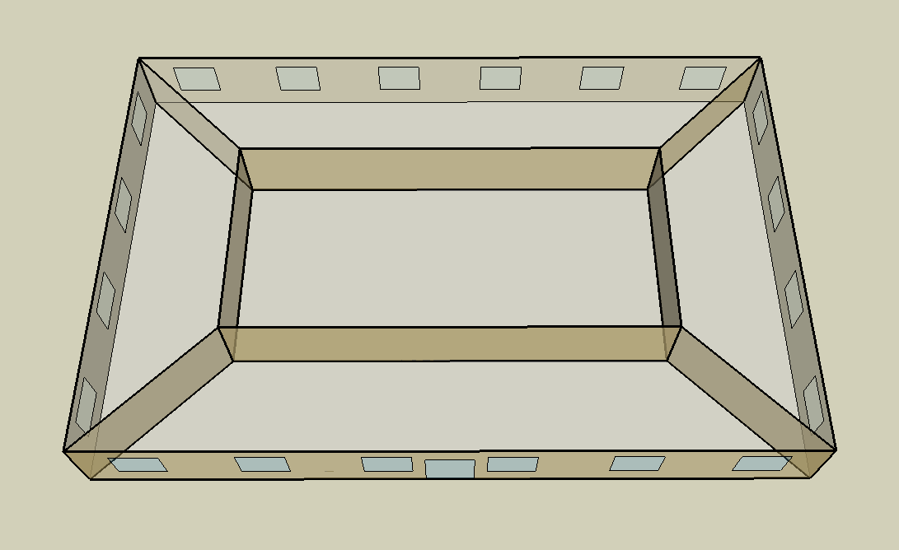
DOE Commercial Building Benchmark - Small Office

Electricity
 | Cooling | Interior Lighting | Exterior Lighting | Interior Equipment | Fans
Miami | 19,625.00 | 15,747.22 | 6,619.44 | 18,275.00 | 11,550.00
Houston | 13,213.89 | 15,747.22 | 6,616.67 | 18,275.00 | 12,480.56
Phoenix | 15,358.33 | 15,747.22 | 6,613.89 | 18,275.00 | 15,122.22
Atlanta | 7,486.11 | 15,747.22 | 6,613.89 | 18,275.00 | 11,330.56
Los Angeles | 4,191.67 | 15,747.22 | 6,608.33 | 18,275.00 | 9,636.11
Las Vegas | 9,716.67 | 15,747.22 | 6,605.56 | 18,275.00 | 12,702.78
San Francisco | 1,138.89 | 15,747.22 | 6,611.11 | 18,275.00 | 8,936.11
Baltimore | 5,605.56 | 15,747.22 | 6,605.56 | 18,275.00 | 11,405.56
Albuquerque | 5,186.11 | 15,747.22 | 6,608.33 | 18,275.00 | 11,900.00
Seattle | 1,080.56 | 15,747.22 | 6,594.44 | 18,275.00 | 9,047.22
Chicago | 4,605.56 | 15,747.22 | 6,608.33 | 18,275.00 | 12,941.67
Boulder | 3,297.22 | 15,747.22 | 6,602.78 | 18,275.00 | 12,883.33
Minneapolis | 3,994.44 | 15,747.22 | 6,602.78 | 18,275.00 | 13,850.00
Helena | 2,208.33 | 15,747.22 | 6,602.78 | 18,275.00 | 13,758.33
Duluth | 1,427.78 | 15,747.22 | 6,597.22 | 18,275.00 | 13,763.89
Fairbanks | 836.11 | 15,747.22 | 6,558.33 | 18,275.00 | 17,633.33

Gas
 | Heating | Water Systems
Miami | 380.00 | 10,690.00
Houston | 27,840.00 | 11,090.00
Phoenix | 16,370.00 | 10,860.00
Atlanta | 40,050.00 | 11,480.00
Los Angeles | 4,230.00 | 11,400.00
Las Vegas | 19,520.00 | 11,140.00
San Francisco | 28,540.00 | 11,730.00
Baltimore | 88,400.00 | 11,780.00
Albuquerque | 51,350.00 | 11,720.00
Seattle | 79,720.00 | 11,940.00
Chicago | 131,000.00 | 12,040.00
Boulder | 85,380.00 | 12,030.00
Minneapolis | 181,860.00 | 12,270.00
Helena | 143,330.00 | 12,310.00
Duluth | 232,550.00 | 12,650.00
Fairbanks | 415,020.00 | 13,110.00

EUI
 | Cooling (elec) | Interior Lighting (elec) | Exterior Lighting (elec) | Interior Equipment (elec) | Fans (elec) | Heating (gas) | Water Systems (gas)
Miami | 138.22 | 110.90 | 46.62 | 128.71 | 81.34 | 0.74 | 20.91
Houston | 93.06 | 110.90 | 46.60 | 128.71 | 87.90 | 54.46 | 21.70
Phoenix | 108.17 | 110.90 | 46.58 | 128.71 | 106.50 | 32.03 | 21.25
Atlanta | 52.72 | 110.90 | 46.58 | 128.71 | 79.80 | 78.35 | 22.46
Los Angeles | 29.52 | 110.90 | 46.54 | 128.71 | 67.87 | 8.28 | 22.30
Las Vegas | 68.43 | 110.90 | 46.52 | 128.71 | 89.46 | 38.19 | 21.79
San Francisco | 8.02 | 110.90 | 46.56 | 128.71 | 62.94 | 55.83 | 22.95
Baltimore | 39.48 | 110.90 | 46.52 | 128.71 | 80.33 | 172.94 | 23.05
Albuquerque | 36.52 | 110.90 | 46.54 | 128.71 | 83.81 | 100.46 | 22.93
Seattle | 7.61 | 110.90 | 46.44 | 128.71 | 63.72 | 155.96 | 23.36
Chicago | 32.44 | 110.90 | 46.54 | 128.71 | 91.15 | 256.28 | 23.55
Boulder | 23.22 | 110.90 | 46.50 | 128.71 | 90.73 | 167.03 | 23.53
Minneapolis | 28.13 | 110.90 | 46.50 | 128.71 | 97.54 | 355.78 | 24.00
Helena | 15.55 | 110.90 | 46.50 | 128.71 | 96.90 | 280.40 | 24.08
Duluth | 10.06 | 110.90 | 46.46 | 128.71 | 96.94 | 454.95 | 24.75
Fairbanks | 5.89 | 110.90 | 46.19 | 128.71 | 124.19 | 811.92 | 25.65

Water
 | Total Building | Water for Electricity (m3)
Miami | 17.65 | 38.05
Houston | 17.65 | 107.93
Phoenix | 17.65 | 2,112.61
Atlanta | 17.65 | 371.20
Los Angeles | 17.65 | 956.16
Las Vegas | 17.65 | 1,729.72
San Francisco | 17.65 | 890.34
Baltimore | 17.65 | 13.09
Albuquerque | 17.65 | 262.08
Seattle | 17.65 | 518.47
Chicago | 17.65 | 90.26
Boulder | 17.65 | 257.95
Minneapolis | 17.65 | 90.71
Helena | 17.65 | 3,584.68
Duluth | 17.65 | 86.59
Fairbanks | 17.65 | 60.33

Carbon
 | Carbon Equivalent (kg)
Miami | 19,895.22
Houston | 22,828.44
Phoenix | 21,960.78
Atlanta | 19,243.08
Los Angeles | 6,646.18
Las Vegas | 21,818.25
San Francisco | 6,652.35
Baltimore | 17,361.04
Albuquerque | 24,714.30
Seattle | 5,348.84
Chicago | 33,596.24
Boulder | 24,962.59
Minneapolis | 23,514.54
Helena | 23,486.96
Duluth | 23,526.65
Fairbanks | 24,337.01

LghtSch
Lighting Schedules
 | WD | SummerDesign | Sun, Hol, Other
 | 0.05 | 1 | 0.05
 | 0.05 | 1 | 0.05
 | 0.05 | 1 | 0.05
 | 0.05 | 1 | 0.05
 | 0.05 | 1 | 0.05
 | 0.1 | 1 | 0.05
 | 0.1 | 1 | 0.05
 | 0.3 | 1 | 0.05
 | 0.9 | 1 | 0.05
 | 0.9 | 1 | 0.05
 | 0.9 | 1 | 0.05
 | 0.9 | 1 | 0.05
 | 0.9 | 1 | 0.05
 | 0.9 | 1 | 0.05
 | 0.9 | 1 | 0.05
 | 0.9 | 1 | 0.05
 | 0.9 | 1 | 0.05
 | 0.5 | 1 | 0.05
 | 0.3 | 1 | 0.05
 | 0.3 | 1 | 0.05
 | 0.2 | 1 | 0.05
 | 0.2 | 1 | 0.05
 | 0.1 | 1 | 0.05
 | 0.05 | 1 | 0.05

EqpSch
Euipment Schedules
 | WD | SummerDesign | Sun, Hol, Other
 | 0 | 0 | 0
 | 0 | 0 | 0
 | 0 | 0 | 0
 | 0 | 0 | 0
 | 0 | 0 | 0
 | 0 | 0 | 0
 | 0.1 | 1 | 0
 | 0.2 | 1 | 0
 | 0.95 | 1 | 0
 | 0.95 | 1 | 0
 | 0.95 | 1 | 0
 | 0.95 | 1 | 0
 | 0.5 | 1 | 0
 | 0.95 | 1 | 0
 | 0.95 | 1 | 0
 | 0.95 | 1 | 0
 | 0.95 | 1 | 0
 | 0.3 | 1 | 0
 | 0.1 | 1 | 0
 | 0.1 | 1 | 0
 | 0.05 | 1 | 0
 | 0.05 | 1 | 0
 | 0.05 | 0.05 | 0
 | 0.05 | 0.05 | 0

OccSch
Occupancy Schedules
 | WD | Sat | Sun, Hol, Other
 | 0.4 | 0.3 | 0.3
 | 0.4 | 0.3 | 0.3
 | 0.4 | 0.3 | 0.3
 | 0.4 | 0.3 | 0.3
 | 0.4 | 0.3 | 0.3
 | 0.4 | 0.3 | 0.3
 | 0.4 | 0.4 | 0.3
 | 0.4 | 0.4 | 0.3
 | 0.9 | 0.5 | 0.3
 | 0.9 | 0.5 | 0.3
 | 0.9 | 0.5 | 0.3
 | 0.9 | 0.5 | 0.3
 | 0.8 | 0.35 | 0.3
 | 0.9 | 0.35 | 0.3
 | 0.9 | 0.35 | 0.3
 | 0.9 | 0.35 | 0.3
 | 0.9 | 0.35 | 0.3
 | 0.5 | 0.3 | 0.3
 | 0.4 | 0.3 | 0.3
 | 0.4 | 0.3 | 0.3
 | 0.4 | 0.3 | 0.3
 | 0.4 | 0.3 | 0.3
 | 0.4 | 0.3 | 0.3
 | 0.4 | 0.3 | 0.3

HeatSch
Heating Set Point Schedules
 | WD | Sat | WinterDesign
 | 15.6 | 15.6 | 21
 | 15.6 | 15.6 | 21
 | 15.6 | 15.6 | 21
 | 15.6 | 15.6 | 21
 | 15.6 | 15.6 | 21
 | 21 | 15.6 | 21
 | 21 | 21 | 21
 | 21 | 21 | 21
 | 21 | 21 | 21
 | 21 | 21 | 21
 | 21 | 21 | 21
 | 21 | 21 | 21
 | 21 | 21 | 21
 | 21 | 21 | 21
 | 21 | 21 | 21
 | 21 | 21 | 21
 | 21 | 21 | 21
 | 21 | 15.6 | 21
 | 21 | 15.6 | 21
 | 15.6 | 15.6 | 21
 | 15.6 | 15.6 | 21
 | 15.6 | 15.6 | 21
 | 15.6 | 15.6 | 21
 | 15.6 | 15.6 | 21

CoolSch
Cooling Set Point Schedules
 | WD, SummerDesign | Sat | Sun, Hol, Other
 | 30 | 30 | 30
 | 30 | 30 | 30
 | 30 | 30 | 30
 | 30 | 30 | 30
 | 30 | 30 | 30
 | 30 | 30 | 30
 | 24 | 24 | 30
 | 24 | 24 | 30
 | 24 | 24 | 30
 | 24 | 24 | 30
 | 24 | 24 | 30
 | 24 | 24 | 30
 | 24 | 24 | 30
 | 24 | 24 | 30
 | 24 | 24 | 30
 | 24 | 24 | 30
 | 24 | 24 | 30
 | 24 | 24 | 30
 | 24 | 30 | 30
 | 24 | 30 | 30
 | 24 | 30 | 30
 | 24 | 30 | 30
 | 30 | 30 | 30
 | 30 | 30 | 30

